Before SP
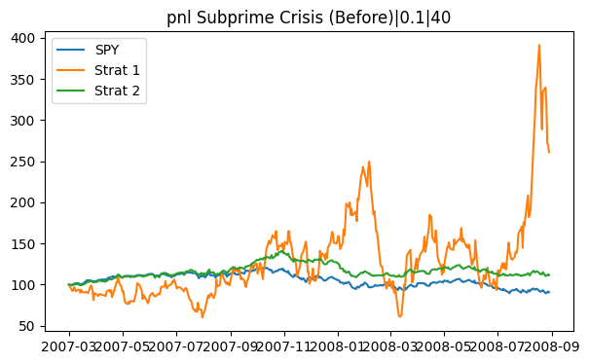
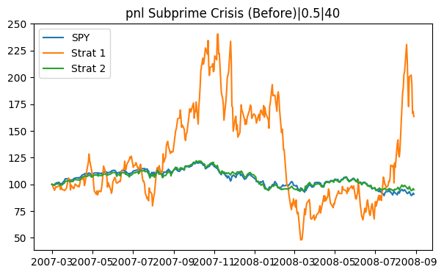
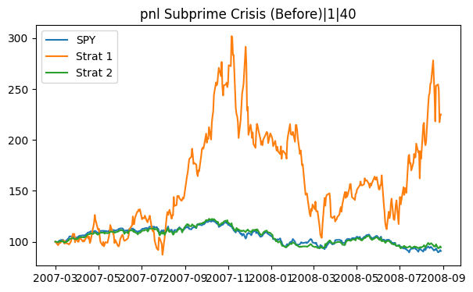
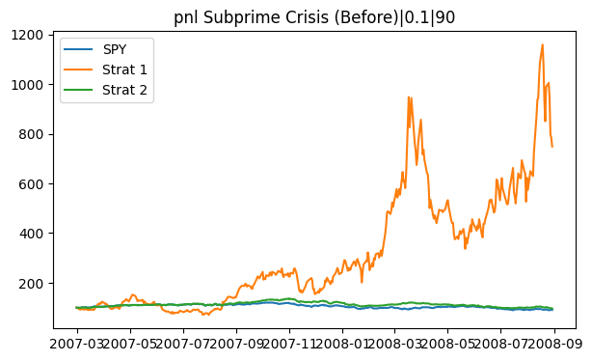
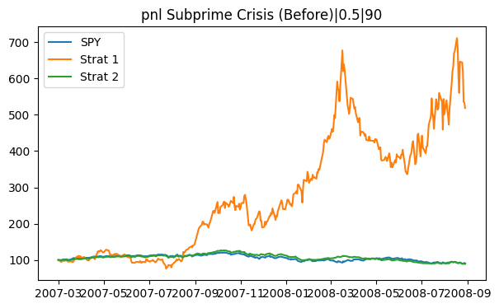
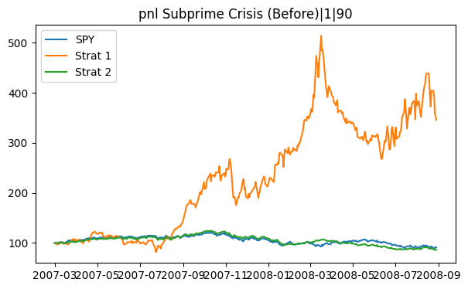
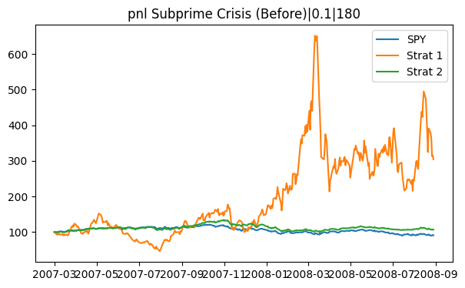
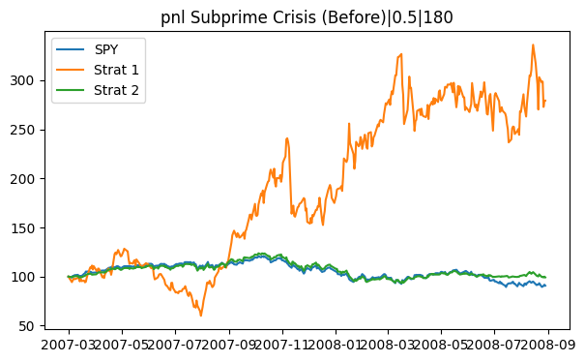
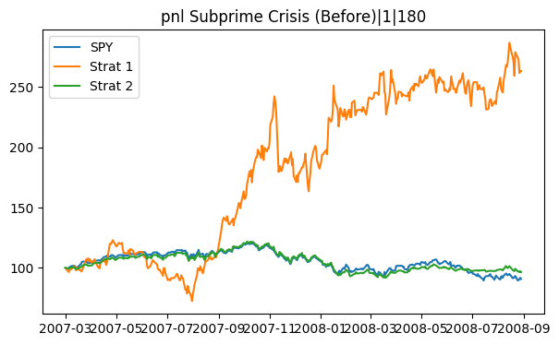
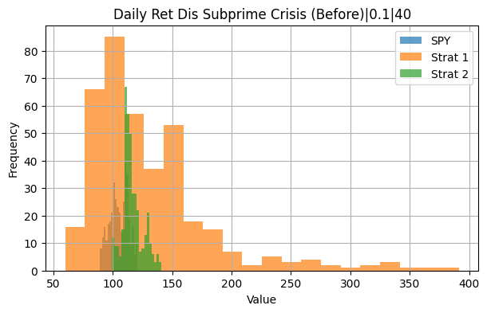
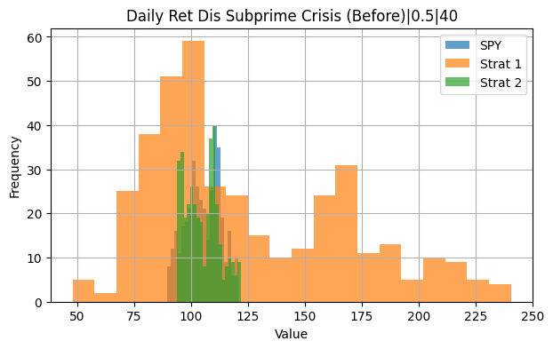
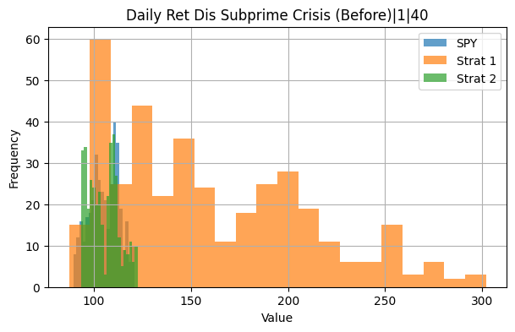
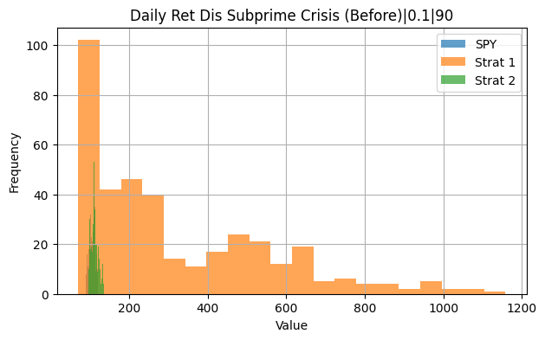
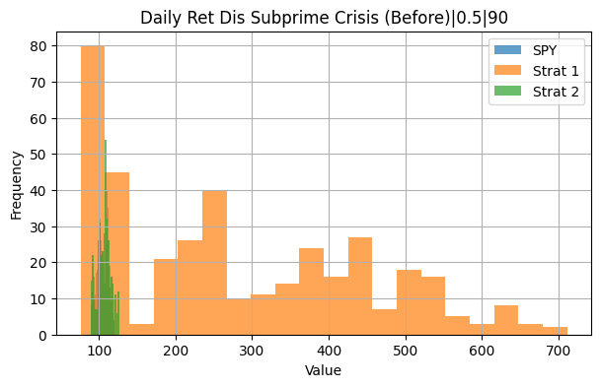
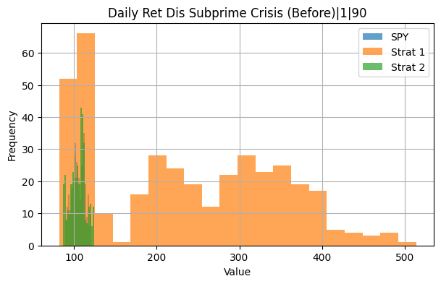
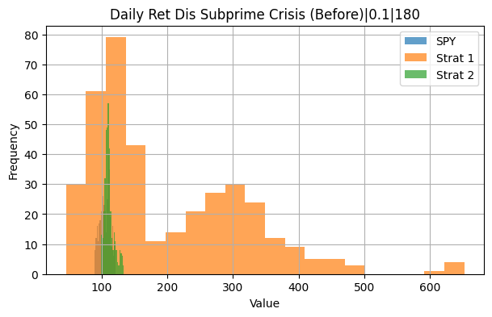
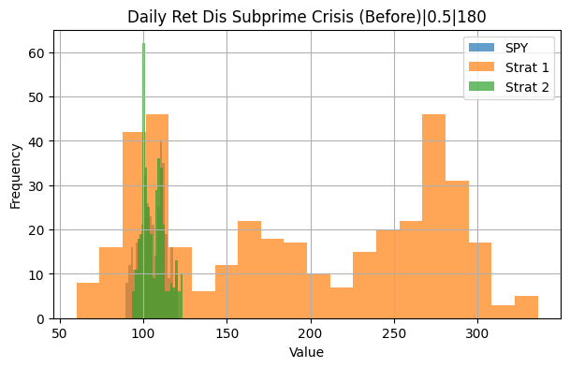
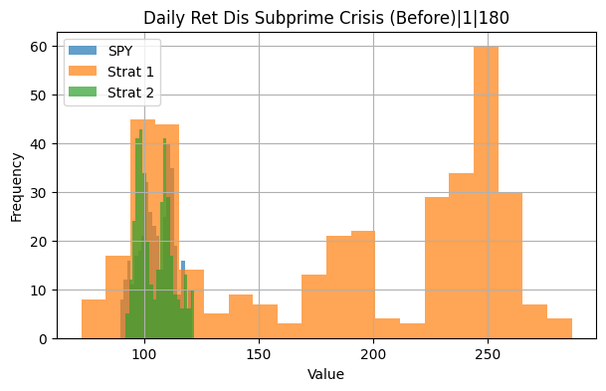
Period | Estimation | Lambda | Strategy | Cumulative Return | Annualized Volatility | Sharpe Ratio | Max Drawdown | Skewness | Kurtosis | VaR (95%) | CVaR (95%)
Subprime Crisis (Before) | S40/60 | 0.1 | Strategy I | 145.13% | 108.56% | 3.47% | -58.92% | 29.48% | 93.60% | -10.63% | -13.53%
Subprime Crisis (Before) | S40/60 | 0.1 | Strategy II | 7.98% | 17.10% | 1.89% | -19.49% | -14.56% | 71.85% | -1.82% | -2.39%
Subprime Crisis (Before) | S90/60 | 0.1 | Strategy I | 404.20% | 105.12% | 6.48% | -62.18% | 22.14% | 190.15% | -9.86% | -14.18%
Subprime Crisis (Before) | S90/60 | 0.1 | Strategy II | -1.36% | 17.19% | -0.33% | -23.13% | -25.74% | 44.30% | -1.89% | -2.45%
Subprime Crisis (Before) | S180/60 | 0.1 | Strategy I | 383.81% | 105.32% | 6.30% | -57.95% | 18.73% | 71.45% | -11.02% | -13.51%
Subprime Crisis (Before) | S180/60 | 0.1 | Strategy II | 9.39% | 17.51% | 2.15% | -16.84% | -21.76% | 68.75% | -2.00% | -2.61%
Subprime Crisis (Before) | S40/60 | 0.5 | Strategy I | 107.59% | 91.32% | 3.36% | -69.80% | 13.07% | 120.98% | -8.87% | -12.24%
Subprime Crisis (Before) | S40/60 | 0.5 | Strategy II | -7.80% | 16.00% | -2.13% | -20.65% | -19.99% | 93.26% | -1.76% | -2.34%
Subprime Crisis (Before) | S90/60 | 0.5 | Strategy I | 386.97% | 74.28% | 8.97% | -43.77% | 17.38% | 174.06% | -7.77% | -9.89%
Subprime Crisis (Before) | S90/60 | 0.5 | Strategy II | -9.86% | 15.81% | -2.76% | -25.18% | -31.15% | 56.30% | -1.71% | -2.35%
Subprime Crisis (Before) | S180/60 | 0.5 | Strategy I | 313.23% | 58.92% | 10.13% | -37.54% | -3.80% | 93.71% | -5.97% | -7.73%
Subprime Crisis (Before) | S180/60 | 0.5 | Strategy II | 0.39% | 15.73% | 0.10% | -18.94% | -24.37% | 90.01% | -1.76% | -2.39%
Subprime Crisis (Before) | S40/60 | 1 | Strategy I | 154.48% | 74.31% | 5.29% | -54.73% | 17.63% | 179.81% | -6.90% | -10.01%
Subprime Crisis (Before) | S40/60 | 1 | Strategy II | -8.13% | 15.88% | -2.24% | -21.06% | -17.53% | 93.46% | -1.74% | -2.30%
Subprime Crisis (Before) | S90/60 | 1 | Strategy I | 249.31% | 56.38% | 9.33% | -41.83% | 10.91% | 99.55% | -6.13% | -7.45%
Subprime Crisis (Before) | S90/60 | 1 | Strategy II | -12.43% | 15.60% | -3.57% | -26.04% | -31.73% | 65.44% | -1.70% | -2.34%
Subprime Crisis (Before) | S180/60 | 1 | Strategy I | 257.30% | 43.52% | 12.31% | -26.27% | 11.07% | 63.82% | -4.00% | -5.47%
Subprime Crisis (Before) | S180/60 | 1 | Strategy II | -1.31% | 15.32% | -0.36% | -18.93% | -30.36% | 99.38% | -1.74% | -2.36%
Subprime Crisis (Before) | S180/60 | 1 | SPY | -4.47% | 18.26% | -1.05% | -21.49% | 5.64% | 74.65% | -2.05% | -2.50%

During SP
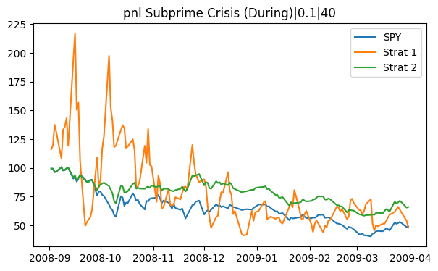
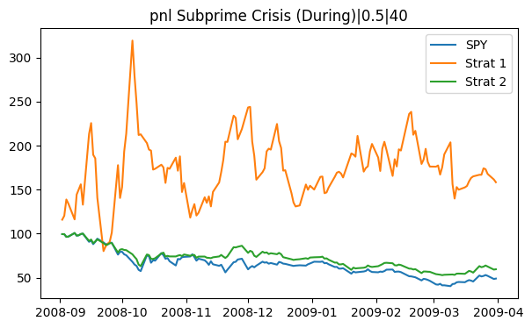
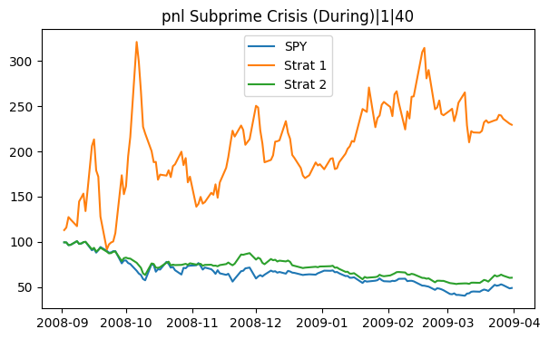
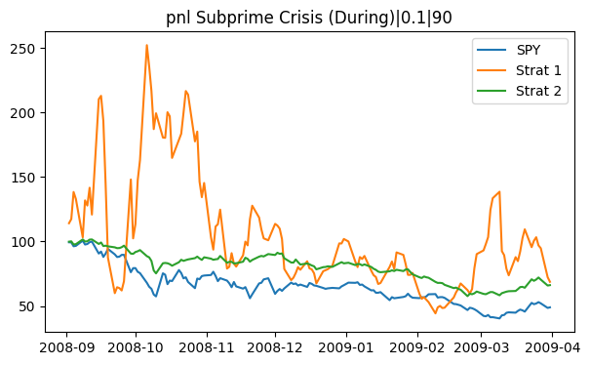
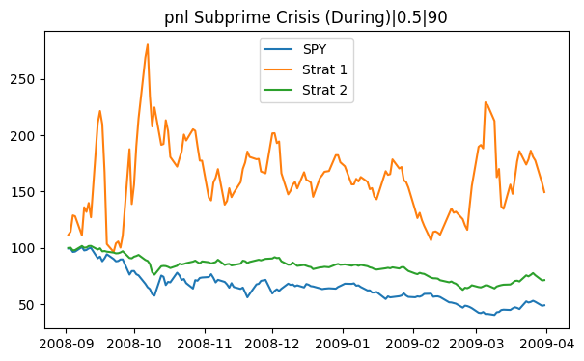
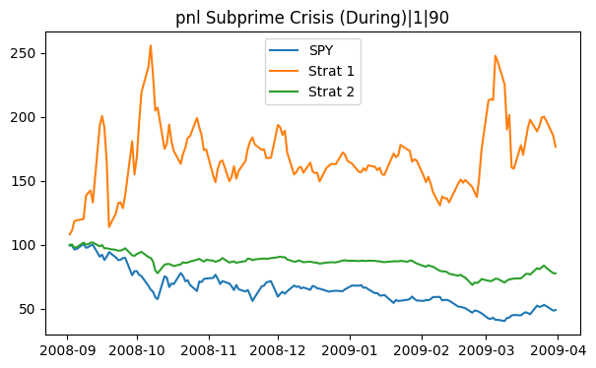
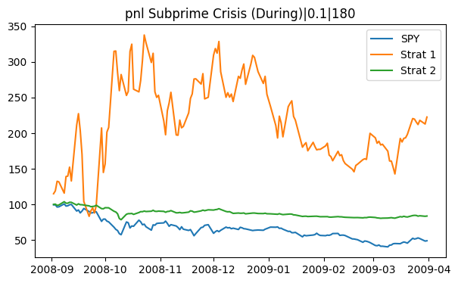
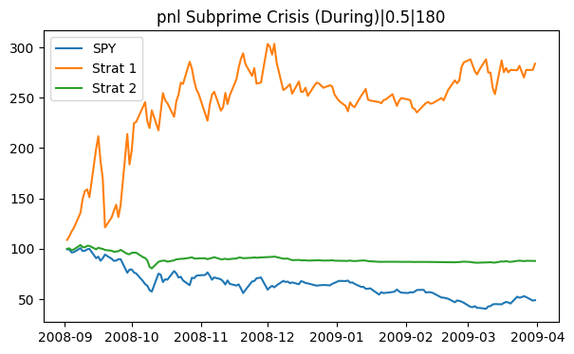
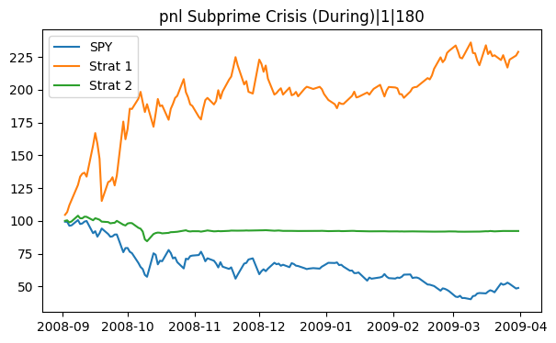
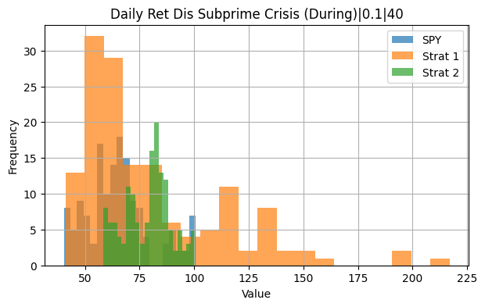
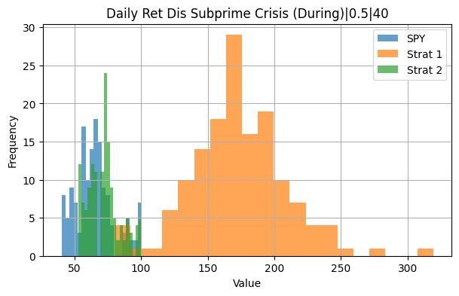
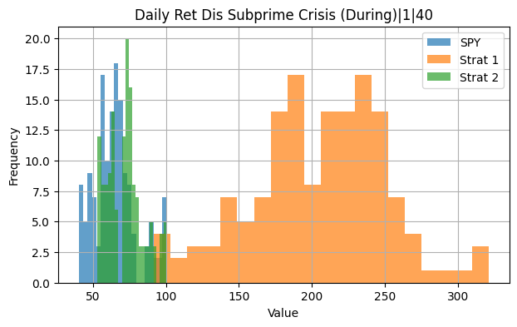
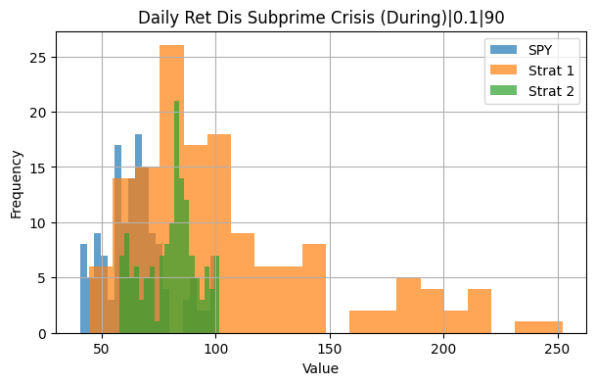
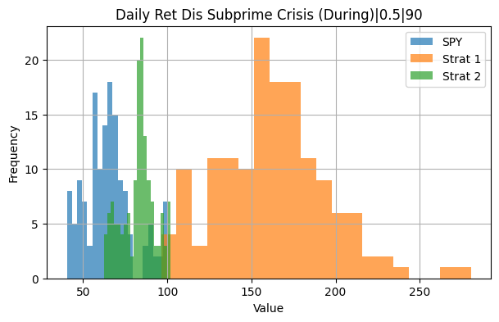
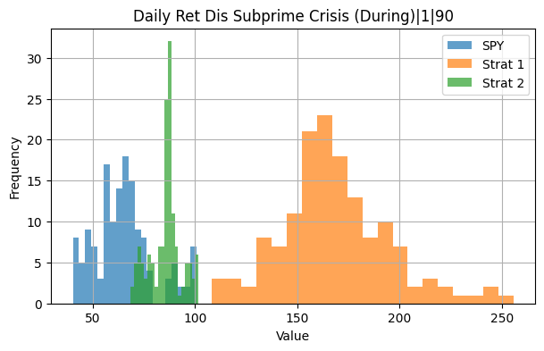
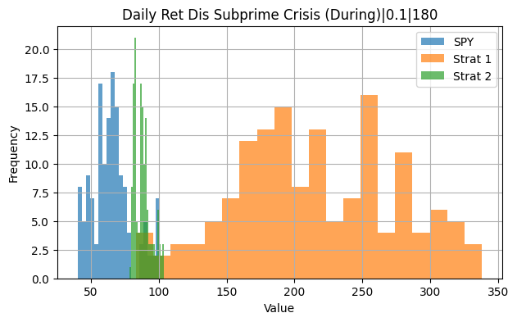
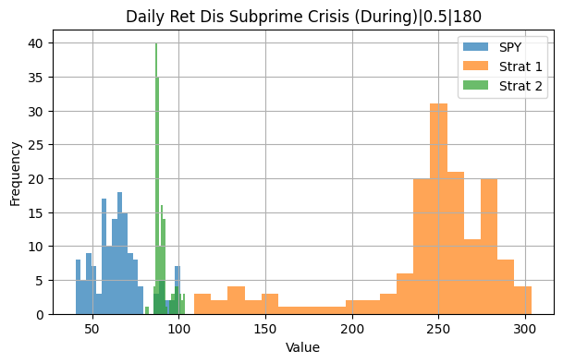
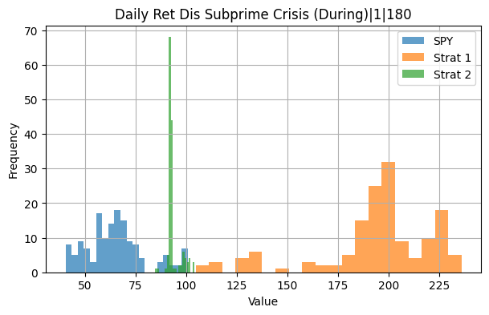
Period | Estimation | Lambda | Strategy | Cumulative Return | Annualized Volatility | Sharpe Ratio | Max Drawdown | Skewness | Kurtosis | VaR (95%) | CVaR (95%)
Subprime Crisis (During) | S40/60 | 0.1 | Strategy I | -0.78228214225 | 2.0630468395 | -0.079931137062 | -0.91474702223 | -0.064271609871 | 0.17626199048 | -0.23307475757 | -0.27642547091
Subprime Crisis (During) | S40/60 | 0.1 | Strategy II | -0.2822947647 | 0.39682622347 | -0.090780898168 | -0.34547063916 | -0.12898313887 | 1.2406763385 | -0.044382521835 | -0.056859538038
Subprime Crisis (During) | S90/60 | 0.1 | Strategy I | -0.33034771565 | 1.8521322853 | -0.023508229369 | -0.78723735008 | -0.087594036857 | 1.6099726032 | -0.18066021726 | -0.26257961354
Subprime Crisis (During) | S90/60 | 0.1 | Strategy II | -0.23320366594 | 0.28303462178 | -0.1019138474 | -0.35401264531 | -0.57157926662 | 3.0910052922 | -0.027793974625 | -0.039823836236
Subprime Crisis (During) | S180/60 | 0.1 | Strategy I | 0.060562984792 | 1.5272725717 | 0.0041869212693 | -0.61374445256 | 0.19586285076 | 4.2992250665 | -0.12663508588 | -0.20445066607
Subprime Crisis (During) | S180/60 | 0.1 | Strategy II | -0.18536677661 | 0.17308582568 | -0.12869792089 | -0.20924803322 | -2.3472017344 | 15.37682134 | -0.016481854008 | -0.02785490896
Subprime Crisis (During) | S40/60 | 0.5 | Strategy I | -0.043648162183 | 1.5166250689 | -0.0031990710097 | -0.68843735576 | 0.0053438968679 | 0.75344590651 | -0.15680822252 | -0.20255663228
Subprime Crisis (During) | S40/60 | 0.5 | Strategy II | -0.32774027878 | 0.38634678984 | -0.11160689088 | -0.38781586004 | -0.17679316576 | 1.1003244556 | -0.043891555534 | -0.056642423396
Subprime Crisis (During) | S90/60 | 0.5 | Strategy I | 0.053220995487 | 1.4240195285 | 0.0039598905264 | -0.57969661896 | -0.32251683185 | 3.1796389137 | -0.13737677445 | -0.21626104165
Subprime Crisis (During) | S90/60 | 0.5 | Strategy II | -0.19856230807 | 0.25439773308 | -0.094532404573 | -0.31657436426 | -0.96918950316 | 4.1599699569 | -0.024666508943 | -0.037645825386
Subprime Crisis (During) | S180/60 | 0.5 | Strategy I | 0.47259546518 | 0.8114312985 | 0.051929253518 | -0.42768583405 | -0.83907922136 | 7.8183168728 | -0.059648387068 | -0.11630463835
Subprime Crisis (During) | S180/60 | 0.5 | Strategy II | -0.14948522283 | 0.14184877827 | -0.12404065837 | -0.16822287715 | -3.6619432673 | 28.041255251 | -0.012275059667 | -0.025121700756
Subprime Crisis (During) | S40/60 | 1 | Strategy I | 0.24771333169 | 1.2157790982 | 0.019807422675 | -0.57659836742 | 0.095414660033 | 1.5610165925 | -0.12482759169 | -0.16182859374
Subprime Crisis (During) | S40/60 | 1 | Strategy II | -0.31783563605 | 0.37196083493 | -0.11165944356 | -0.38603908162 | -0.21749108248 | 1.3630425723 | -0.044185349312 | -0.055734526688
Subprime Crisis (During) | S90/60 | 1 | Strategy I | 0.23843225027 | 1.0239777561 | 0.022723574928 | -0.43269739049 | -0.72832477989 | 4.3210834509 | -0.089612264319 | -0.16028761092
Subprime Crisis (During) | S90/60 | 1 | Strategy II | -0.15013660388 | 0.21979462272 | -0.080430664327 | -0.26725498053 | -1.4195872321 | 7.4898849444 | -0.022189742104 | -0.034398070105
Subprime Crisis (During) | S180/60 | 1 | Strategy I | 0.38447353263 | 0.5620677118 | 0.063001865683 | -0.31002999764 | -1.3527012394 | 10.345254225 | -0.044236468265 | -0.077725870606
Subprime Crisis (During) | S180/60 | 1 | Strategy II | -0.10224414529 | 0.11934996229 | -0.098223082321 | -0.13872181545 | -4.3567737473 | 37.456161081 | -0.009451569175 | -0.022242321541
Subprime Crisis (During) | S180/60 | 1 | SPY | -0.36946433086 | 0.56384037575 | -0.088793503298 | -0.46042389669 | 0.51149308441 | 2.1562324139 | -0.054037302922 | -0.072925453432

Bull Mkt
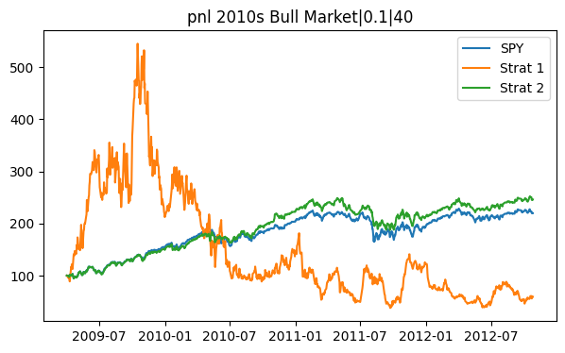
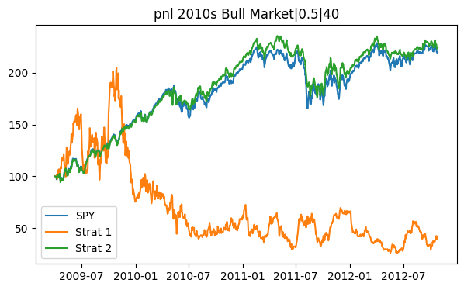
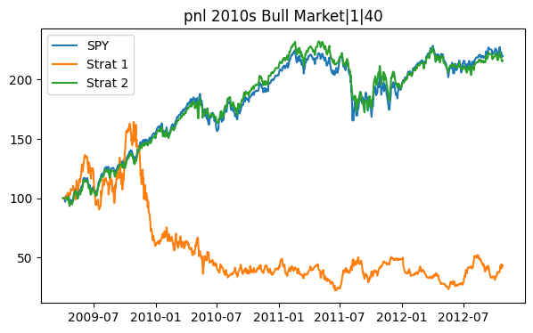
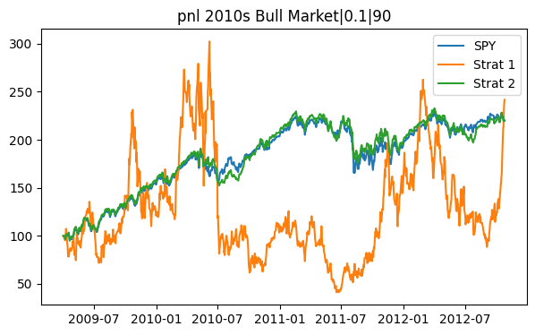
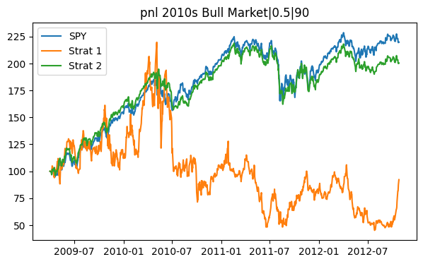
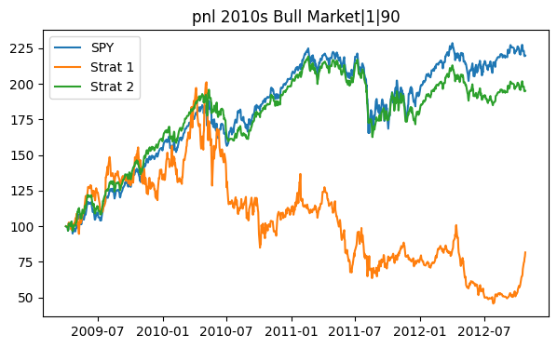
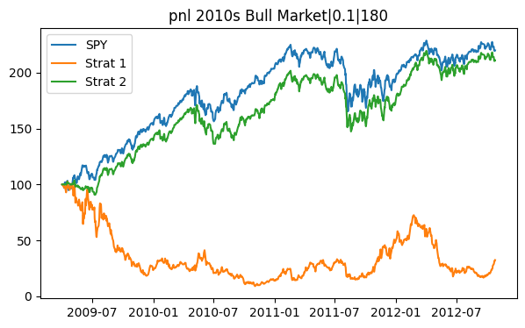
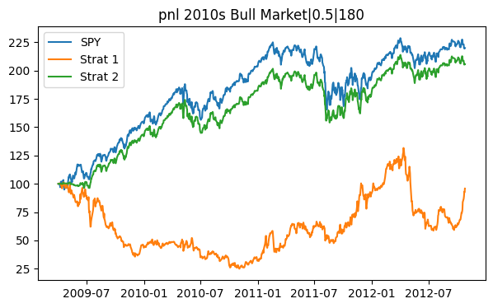
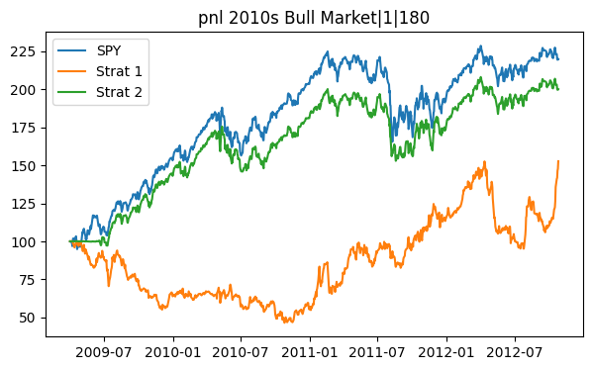
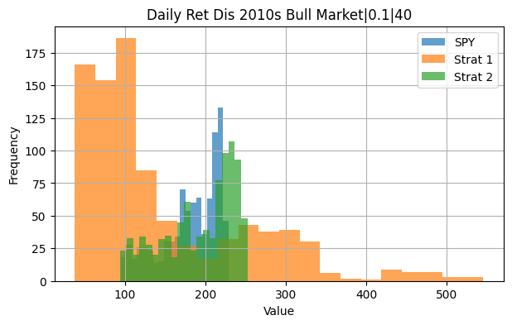
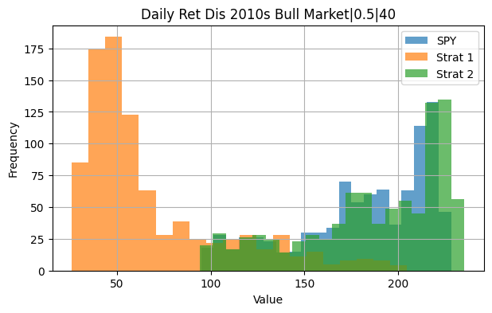
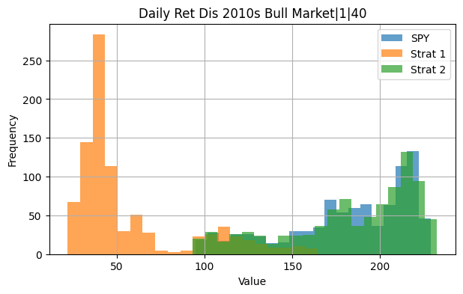
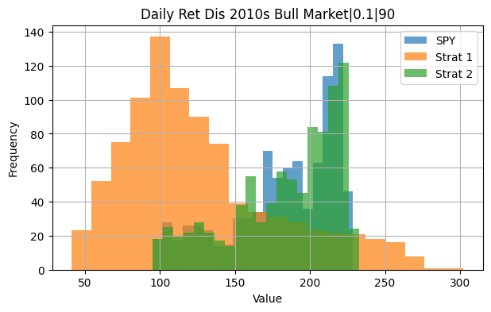
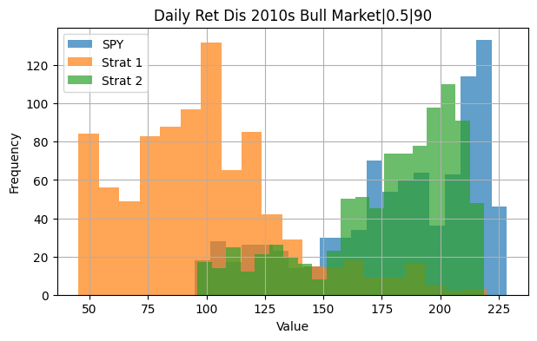




Period | Estimation | Lambda | Strategy | Cumulative Return | Annualized Volatility | Sharpe Ratio | Max Drawdown | Skewness | Kurtosis | VaR (95%) | CVaR (95%)
2010s Bull Market | S40/60 | 0.1 | Strategy I | -0.91028337311 | 1.0033077928 | -0.014102004837 | -0.99809323603 | 0.042118705517 | 1.1856424942 | -0.10271580223 | -0.13674274406
2010s Bull Market | S40/60 | 0.1 | Strategy II | 4.0191859908 | 0.15091464105 | 0.062776662991 | -0.23887772839 | -0.48968945195 | 2.555286121 | -0.016497658885 | -0.023386965745
2010s Bull Market | S90/60 | 0.1 | Strategy I | 0.25424283619 | 0.97689448913 | 0.0013614252911 | -0.91372501144 | -0.092669548577 | 1.7893849241 | -0.098700866744 | -0.1375636075
2010s Bull Market | S90/60 | 0.1 | Strategy II | 3.4196095717 | 0.15309466288 | 0.057001554041 | -0.1936321629 | -0.5429974434 | 2.6645820498 | -0.016439531052 | -0.024124378252
2010s Bull Market | S180/60 | 0.1 | Strategy I | -0.99697763493 | 0.93603924191 | -0.036348804798 | -0.99802271221 | -0.18180066322 | 1.8292508223 | -0.09360171872 | -0.1351298704
2010s Bull Market | S180/60 | 0.1 | Strategy II | 3.7286227459 | 0.15261022151 | 0.059783790218 | -0.1976436941 | -0.4640781673 | 2.9391895258 | -0.016169726804 | -0.023697672808
2010s Bull Market | S40/60 | 0.5 | Strategy I | -0.57690752072 | 0.84653015709 | -0.0059643564099 | -0.98580754539 | -0.078461523807 | 1.5296109789 | -0.087437170952 | -0.11854871409
2010s Bull Market | S40/60 | 0.5 | Strategy II | 3.2890669178 | 0.13677301322 | 0.062516135263 | -0.17805905563 | -0.41723469406 | 2.8088583332 | -0.014409763123 | -0.021173348395
2010s Bull Market | S90/60 | 0.5 | Strategy I | 0.014166199209 | 0.73500945168 | 0.00011235618563 | -0.86323872434 | -0.14343364318 | 3.0952916005 | -0.072502738198 | -0.10639550325
2010s Bull Market | S90/60 | 0.5 | Strategy II | 2.8577727124 | 0.13981840507 | 0.056702262008 | -0.18370977404 | -0.45121390511 | 2.7003311703 | -0.014601649282 | -0.021845621146
2010s Bull Market | S180/60 | 0.5 | Strategy I | -0.94356321598 | 0.62231791294 | -0.027103977592 | -0.96148215636 | -0.44718023483 | 3.9592143869 | -0.062633931906 | -0.095770255315
2010s Bull Market | S180/60 | 0.5 | Strategy II | 3.0910707876 | 0.14001401376 | 0.059086278789 | -0.1788626762 | -0.42746788496 | 2.7659476568 | -0.014706747837 | -0.021784279961
2010s Bull Market | S40/60 | 1 | Strategy I | -0.64005087148 | 0.71049724602 | -0.0084413492689 | -0.96715482524 | -0.19254235502 | 2.2314218054 | -0.073566116187 | -0.10281142579
2010s Bull Market | S40/60 | 1 | Strategy II | 3.1665162708 | 0.13576781579 | 0.061724809579 | -0.18381595469 | -0.42372048391 | 2.8667514865 | -0.014136115321 | -0.021083360647
2010s Bull Market | S90/60 | 1 | Strategy I | 0.23718517898 | 0.55583622789 | 0.0022480946467 | -0.78955626313 | -0.22753013663 | 4.4721904211 | -0.056657488563 | -0.083228554779
2010s Bull Market | S90/60 | 1 | Strategy II | 2.6491447519 | 0.13815662457 | 0.055020619565 | -0.18518957677 | -0.4680641045 | 2.7183956128 | -0.0144880262 | -0.021646745633
2010s Bull Market | S180/60 | 1 | Strategy I | -0.6400965329 | 0.43757440935 | -0.013708068345 | -0.85592693811 | -0.40108281128 | 3.5744904851 | -0.044627832872 | -0.068090547639
2010s Bull Market | S180/60 | 1 | Strategy II | 2.7654227755 | 0.13845955052 | 0.056230877492 | -0.18646520278 | -0.44543039854 | 2.8517692004 | -0.0146331071 | -0.021657800209
2010s Bull Market | S180/60 | 1 | SPY | 3.7395612576 | 0.15107238293 | 0.060482200336 | -0.19348921878 | -0.37899747262 | 3.949716962 | -0.015874856407 | -0.02343847391

Covid


















Period | Estimation | Lambda | Strategy | Cumulative Return | Annualized Volatility | Sharpe Ratio | Max Drawdown | Skewness | Kurtosis | VaR (95%) | CVaR (95%)
COVID (During) | S40/60 | 0.1 | Strategy I | 11.883826753 | 1.4927096799 | 0.054177262012 | -0.82366468596 | 0.5967827304 | 4.8467899809 | -0.12030349934 | -0.19346324793
COVID (During) | S40/60 | 0.1 | Strategy II | 0.86487721383 | 0.2667435369 | 0.073778794186 | -0.27543150769 | -0.60804285842 | 9.1544894216 | -0.022344570907 | -0.04265684109
COVID (During) | S90/60 | 0.1 | Strategy I | 19.415964444 | 1.5385248835 | 0.06205940021 | -0.81666930948 | 0.52618029728 | 3.2143422095 | -0.15036306156 | -0.19942684761
COVID (During) | S90/60 | 0.1 | Strategy II | 0.79419425591 | 0.26291548281 | 0.070209301832 | -0.26991291727 | -0.26243564648 | 10.533346939 | -0.023217334587 | -0.039716315427
COVID (During) | S180/60 | 0.1 | Strategy I | 8.8856498629 | 1.5213208744 | 0.047636731645 | -0.73976493021 | 0.3026909682 | 4.0525181977 | -0.13294689605 | -0.2111263115
COVID (During) | S180/60 | 0.1 | Strategy II | 0.69157280458 | 0.25642781731 | 0.064728865658 | -0.25107351511 | 0.20793897433 | 9.2789492798 | -0.023931486375 | -0.039010110951
COVID (During) | S40/60 | 0.5 | Strategy I | 9.9369021271 | 1.3257750332 | 0.057079823227 | -0.69297338986 | 0.66735064364 | 6.1380749342 | -0.10630718647 | -0.17387490906
COVID (During) | S40/60 | 0.5 | Strategy II | 0.69098742023 | 0.24367252115 | 0.068072291619 | -0.27671427186 | -0.58765386587 | 10.160665013 | -0.020304494592 | -0.03850139149
COVID (During) | S90/60 | 0.5 | Strategy I | 11.699852178 | 1.2949004037 | 0.06210107956 | -0.68289150527 | 0.38700166378 | 4.7850162025 | -0.12470624255 | -0.18360727753
COVID (During) | S90/60 | 0.5 | Strategy II | 0.68747129769 | 0.24772660966 | 0.066692823763 | -0.28731998307 | -0.27299555961 | 12.260429444 | -0.022392615071 | -0.037986237457
COVID (During) | S180/60 | 0.5 | Strategy I | 3.7983186222 | 1.074483764 | 0.046134863344 | -0.53298509335 | -0.090817878212 | 4.2129221885 | -0.094093621319 | -0.15225227861
COVID (During) | S180/60 | 0.5 | Strategy II | 0.72865983595 | 0.24705345694 | 0.069958415842 | -0.26221930416 | 0.14996727904 | 10.374185309 | -0.022253009499 | -0.038024392833
COVID (During) | S40/60 | 1 | Strategy I | 5.0849958644 | 1.179468437 | 0.04840627801 | -0.62282467002 | 0.76435123906 | 8.7740516948 | -0.096206352222 | -0.15908321339
COVID (During) | S40/60 | 1 | Strategy II | 0.64503138021 | 0.24582552673 | 0.063935156456 | -0.29297998937 | -0.58974980113 | 9.7709625139 | -0.022374153697 | -0.039129127932
COVID (During) | S90/60 | 1 | Strategy I | 6.3939192231 | 1.0643548335 | 0.059440529369 | -0.51216328899 | 0.59248947638 | 8.4586747353 | -0.09515329815 | -0.1489427652
COVID (During) | S90/60 | 1 | Strategy II | 0.67879184932 | 0.24730161614 | 0.066148672872 | -0.28527853996 | -0.28009660727 | 12.016833604 | -0.022240093658 | -0.03793517923
COVID (During) | S180/60 | 1 | Strategy I | 2.1065732375 | 0.78229723055 | 0.045780361646 | -0.48944385745 | -0.23755345223 | 3.6165964717 | -0.074156631669 | -0.11051542326
COVID (During) | S180/60 | 1 | Strategy II | 0.75865842802 | 0.24374193279 | 0.073139023716 | -0.24449163983 | 0.1518592903 | 10.212456563 | -0.022215212819 | -0.037442338291
COVID (During) | S180/60 | 1 | SPY | 0.52066956498 | 0.25368943343 | 0.052165227643 | -0.33717259049 | -0.72579514642 | 12.560478526 | -0.022197690956 | -0.040383650433

Post Covid


















Period | Estimation | Lambda | Strategy | Cumulative Return | Annualized Volatility | Sharpe Ratio | Max Drawdown | Skewness | Kurtosis | VaR (95%) | CVaR (95%)
COVID (After) | S40/60 | 0.1 | Strategy I | -0.81476426739 | 1.2213543547 | -0.029110119257 | -0.94889325317 | 0.36560929805 | 1.354551903 | -0.11462651407 | -0.15385621401
COVID (After) | S40/60 | 0.1 | Strategy II | 0.34854945508 | 0.16393131692 | 0.038514205299 | -0.27098688592 | -0.22209098679 | 1.1506939668 | -0.017213660996 | -0.023017834396
COVID (After) | S90/60 | 0.1 | Strategy I | -0.46640025811 | 1.1803158994 | -0.011228920685 | -0.96218875887 | 0.18784281888 | 1.4441860718 | -0.11746214031 | -0.1544171945
COVID (After) | S90/60 | 0.1 | Strategy II | 0.26366873264 | 0.1627979631 | 0.030349566939 | -0.22195703548 | -0.18416024599 | 1.638727966 | -0.017781605942 | -0.023433486584
COVID (After) | S180/60 | 0.1 | Strategy I | -0.65433947478 | 1.1629055573 | -0.019269821277 | -0.97639752313 | -0.2259065206 | 1.8491064352 | -0.12199634923 | -0.16589277325
COVID (After) | S180/60 | 0.1 | Strategy II | 0.26636278862 | 0.161827056 | 0.030809547172 | -0.27004387056 | -0.39016340784 | 1.285450856 | -0.017303140573 | -0.024266857608
COVID (After) | S40/60 | 0.5 | Strategy I | -0.70657201259 | 1.0507699189 | -0.024612449646 | -0.89235273807 | 0.43809869914 | 2.1978821906 | -0.099659322285 | -0.13335307996
COVID (After) | S40/60 | 0.5 | Strategy II | 0.3189692939 | 0.15140807313 | 0.038606355198 | -0.23407762556 | -0.29081374 | 1.1710493616 | -0.015949004361 | -0.021623436097
COVID (After) | S90/60 | 0.5 | Strategy I | 0.12190748914 | 0.90906896721 | 0.0026713528873 | -0.90764637223 | 0.15130108825 | 1.7222817397 | -0.092856475611 | -0.12722029112
COVID (After) | S90/60 | 0.5 | Strategy II | 0.20552321805 | 0.15469866227 | 0.025508852967 | -0.25728756386 | -0.17231709798 | 2.0898885393 | -0.016693176201 | -0.022466984387
COVID (After) | S180/60 | 0.5 | Strategy I | -0.13408341263 | 0.72339715442 | -0.0042007428405 | -0.87314899209 | 0.0058300034112 | 2.733350673 | -0.071718924737 | -0.10459178866
COVID (After) | S180/60 | 0.5 | Strategy II | 0.22994315382 | 0.15224907375 | 0.028700577667 | -0.27355598175 | -0.403286425 | 1.4203300332 | -0.016561986674 | -0.022962766613
COVID (After) | S40/60 | 1 | Strategy I | -0.81049675516 | 0.89187033081 | -0.03932637437 | -0.89198774418 | 0.26626056174 | 2.8592493376 | -0.084383683433 | -0.12082734744
COVID (After) | S40/60 | 1 | Strategy II | 0.29569505949 | 0.14964426812 | 0.036549057209 | -0.23053027279 | -0.29724901366 | 1.2101262545 | -0.015806543784 | -0.021425391432
COVID (After) | S90/60 | 1 | Strategy I | 0.53170851859 | 0.6717912977 | 0.013402069665 | -0.78357748315 | 0.20931405751 | 2.0984619083 | -0.06853840376 | -0.093512298214
COVID (After) | S90/60 | 1 | Strategy II | 0.18961710919 | 0.15295129607 | 0.023966682364 | -0.26385289131 | -0.17330125964 | 2.2242182462 | -0.01667398345 | -0.02222289931
COVID (After) | S180/60 | 1 | Strategy I | 0.76245018365 | 0.54153401273 | 0.022099242109 | -0.71120317594 | 0.16763301807 | 3.3834594679 | -0.055067739305 | -0.076894994438
COVID (After) | S180/60 | 1 | Strategy II | 0.19085376648 | 0.14829344082 | 0.024867406381 | -0.26752260507 | -0.40327706391 | 1.5561245664 | -0.016193346824 | -0.022539719715
COVID (After) | S180/60 | 1 | SPY | 0.29407168949 | 0.17508713479 | 0.031086709953 | -0.24496391135 | -0.16529414956 | 1.8083708058 | -0.017563348612 | -0.025489175157

Full Period


















Period | Estimation | Lambda | Strategy | Cumulative Return | Annualized Volatility | Sharpe Ratio | Max Drawdown | Skewness | Kurtosis | VaR (95%) | CVaR (95%)
Whole Period | S40/60 | 0.1 | Strategy I | -0.90097344826 | 1.1597183364 | -0.0070508233535 | -0.99809323603 | 0.25419111542 | 3.022406768 | -0.11134973498 | -0.15669943437
Whole Period | S40/60 | 0.1 | Strategy II | 9.3932921749 | 0.18408353255 | 0.04499631737 | -0.46677022514 | -0.49628717616 | 8.0480885815 | -0.01826793599 | -0.028313469274
Whole Period | S90/60 | 0.1 | Strategy I | 61.12047527 | 1.1315838133 | 0.012912589113 | -0.96218875887 | 0.18665906723 | 3.2596214098 | -0.1106865207 | -0.15673681251
Whole Period | S90/60 | 0.1 | Strategy II | 7.0805851292 | 0.17752407317 | 0.041641486203 | -0.49734604663 | -0.42170989448 | 8.2109898173 | -0.018395655134 | -0.027023811433
Whole Period | S180/60 | 0.1 | Strategy I | -0.94539079122 | 1.0887190574 | -0.0094431856656 | -0.99893076242 | 0.06073576309 | 3.8590169851 | -0.10565912462 | -0.15395262689
Whole Period | S180/60 | 0.1 | Strategy II | 8.0810330468 | 0.17137189014 | 0.045546718573 | -0.29444985899 | -0.24932065289 | 7.6547764465 | -0.016987575964 | -0.026193823321
Whole Period | S40/60 | 0.5 | Strategy I | 1.5585834252 | 0.97931250222 | 0.0033934932178 | -0.98580754539 | 0.29151762311 | 4.1011962869 | -0.093638761957 | -0.1332511177
Whole Period | S40/60 | 0.5 | Strategy II | 5.2127106197 | 0.17001237205 | 0.038010018954 | -0.50847321711 | -0.52253061326 | 8.891328778 | -0.016941054064 | -0.026355340823
Whole Period | S90/60 | 0.5 | Strategy I | 88.703026355 | 0.87500616092 | 0.018185653885 | -0.90764637223 | 0.13933946221 | 5.5327212072 | -0.08035070753 | -0.12549155281
Whole Period | S90/60 | 0.5 | Strategy II | 5.0372969925 | 0.16426016918 | 0.0387240976 | -0.47859525669 | -0.42706297369 | 9.8625948454 | -0.016640446591 | -0.025063856765
Whole Period | S180/60 | 0.5 | Strategy I | 0.431975642 | 0.70869331062 | 0.0017921217516 | -0.97019032246 | -0.2057398912 | 5.5157102755 | -0.066925728115 | -0.1047681487
Whole Period | S180/60 | 0.5 | Strategy II | 6.4296417194 | 0.15904985417 | 0.044609669631 | -0.27355598175 | -0.23917601719 | 9.340776074 | -0.016110123072 | -0.024434886851
Whole Period | S40/60 | 1 | Strategy I | 0.29109416324 | 0.82958912399 | 0.0010893582354 | -0.96715482524 | 0.28841922893 | 6.3576971776 | -0.078482770968 | -0.11619795513
Whole Period | S40/60 | 1 | Strategy II | 4.6418973896 | 0.16828424361 | 0.036373837255 | -0.50952654283 | -0.54147100067 | 9.0190693914 | -0.016654902442 | -0.026175582705
Whole Period | S90/60 | 1 | Strategy I | 66.597199781 | 0.67096624569 | 0.022222887773 | -0.78955626313 | 0.21278506056 | 9.5515281379 | -0.062464135152 | -0.09633679666
Whole Period | S90/60 | 1 | Strategy II | 4.759923239 | 0.16121564738 | 0.038423089496 | -0.44894211758 | -0.43203939676 | 10.250061328 | -0.016247461324 | -0.024623790794
Whole Period | S180/60 | 1 | Strategy I | 8.731898154 | 0.50974698821 | 0.015792915638 | -0.85592693811 | -0.21942290719 | 5.3517919806 | -0.049716080144 | -0.075540442556
Whole Period | S180/60 | 1 | Strategy II | 5.9974447181 | 0.1560480875 | 0.044108714215 | -0.26752260507 | -0.2248574099 | 9.3279944782 | -0.015904430438 | -0.024114093505
Whole Period | S180/60 | 1 | SPY | 4.9632077194 | 0.19830634538 | 0.031855429451 | -0.55189438321 | -0.074159665771 | 14.037079015 | -0.018703746243 | -0.030550030328

